Sheet3
A | B | C | D | E | F | G
Date | Day | Block Schedule | Event Text Line 1 | Event Text Line 2 | Event Text Line 3 | Event Text Line 4

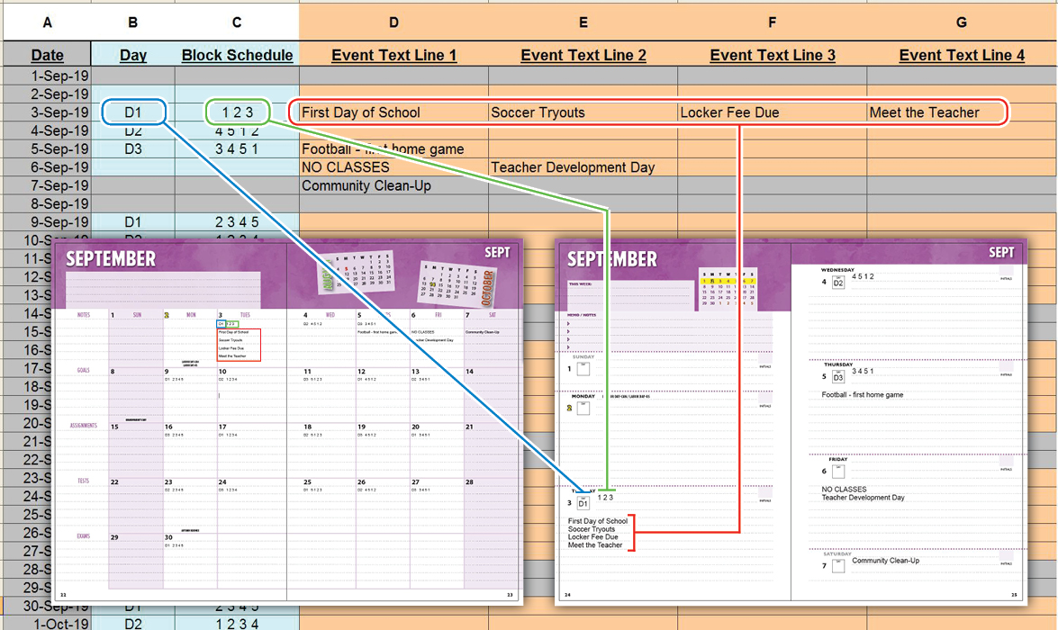
 |  |  | Agenda Overprint Form & Instructions

 |  |  | Enter your School Name:

 |  |  |  | INSTRUCTIONS
 | Fill in your schedule and event information in the spaces provided below. This information will be used to configure your printed agenda. See example of printed pages located to the right of these instructions >>>>
 | - Daily event (Columns D-G) text needs to be limited to 27 characters.
 | - Day (Column B) is typically numbers (1,2,3,4,5,6,7,8,9) or ODD, EVEN.
 | - Block Schedule Schools ONLY: Fill in the block schedule information in column C if your school uses a block schedule timetable. The block schedule example below indicates block 4, block 3, block 1 and block 2. (4312)

Date | Day | Block Schedule | Event Text Line 1 | Event Text Line 2 | Event Text Line 3 | Event Text Line 4
Sample: | D1 | 4312 | First Day of School | Soccer Tryouts | Locker Fee Due | Meet the Teacher
1-Aug-21
2-Aug-21
3-Aug-21
4-Aug-21
5-Aug-21
6-Aug-21
7-Aug-21
8-Aug-21
9-Aug-21
10-Aug-21
11-Aug-21
12-Aug-21
13-Aug-21
14-Aug-21
15-Aug-21
16-Aug-21
17-Aug-21
18-Aug-21
19-Aug-21
20-Aug-21
21-Aug-21
22-Aug-21
23-Aug-21
24-Aug-21
25-Aug-21
26-Aug-21
27-Aug-21
28-Aug-21
29-Aug-21
30-Aug-21
31-Aug-21
1-Sep-21
2-Sep-21
3-Sep-21
4-Sep-21
5-Sep-21
6-Sep-21
7-Sep-21
8-Sep-21
9-Sep-21
10-Sep-21
11-Sep-21
12-Sep-21
13-Sep-21
14-Sep-21
15-Sep-21
16-Sep-21
17-Sep-21
18-Sep-21
19-Sep-21
20-Sep-21
21-Sep-21
22-Sep-21
23-Sep-21
24-Sep-21
25-Sep-21
26-Sep-21
27-Sep-21
28-Sep-21
29-Sep-21
30-Sep-21
1-Oct-21
2-Oct-21
3-Oct-21
4-Oct-21
5-Oct-21
6-Oct-21
7-Oct-21
8-Oct-21
9-Oct-21
10-Oct-21
11-Oct-21
12-Oct-21
13-Oct-21
14-Oct-21
15-Oct-21
16-Oct-21
17-Oct-21
18-Oct-21
19-Oct-21
20-Oct-21
21-Oct-21
22-Oct-21
23-Oct-21
24-Oct-21
25-Oct-21
26-Oct-21
27-Oct-21
28-Oct-21
29-Oct-21
30-Oct-21
31-Oct-21
1-Nov-21
2-Nov-21
3-Nov-21
4-Nov-21
5-Nov-21
6-Nov-21
7-Nov-21
8-Nov-21
9-Nov-21
10-Nov-21
11-Nov-21
12-Nov-21
13-Nov-21
14-Nov-21
15-Nov-21
16-Nov-21
17-Nov-21
18-Nov-21
19-Nov-21
20-Nov-21
21-Nov-21
22-Nov-21
23-Nov-21
24-Nov-21
25-Nov-21
26-Nov-21
27-Nov-21
28-Nov-21
29-Nov-21
30-Nov-21
1-Dec-21
2-Dec-21
3-Dec-21
4-Dec-21
5-Dec-21
6-Dec-21
7-Dec-21
8-Dec-21
9-Dec-21
10-Dec-21
11-Dec-21
12-Dec-21
13-Dec-21
14-Dec-21
15-Dec-21
16-Dec-21
17-Dec-21
18-Dec-21
19-Dec-21
20-Dec-21
21-Dec-21
22-Dec-21
23-Dec-21
24-Dec-21
25-Dec-21
26-Dec-21
27-Dec-21
28-Dec-21
29-Dec-21
30-Dec-21
31-Dec-21
1-Jan-22
2-Jan-22
3-Jan-22
4-Jan-22
5-Jan-22
6-Jan-22
7-Jan-22
8-Jan-22
9-Jan-22
10-Jan-22
11-Jan-22
12-Jan-22
13-Jan-22
14-Jan-22
15-Jan-22
16-Jan-22
17-Jan-22
18-Jan-22
19-Jan-22
20-Jan-22
21-Jan-22
22-Jan-22
23-Jan-22
24-Jan-22
25-Jan-22
26-Jan-22
27-Jan-22
28-Jan-22
29-Jan-22
30-Jan-22
31-Jan-22
1-Feb-22
2-Feb-22
3-Feb-22
4-Feb-22
5-Feb-22
6-Feb-22
7-Feb-22
8-Feb-22
9-Feb-22
10-Feb-22
11-Feb-22
12-Feb-22
13-Feb-22
14-Feb-22
15-Feb-22
16-Feb-22
17-Feb-22
18-Feb-22
19-Feb-22
20-Feb-22
21-Feb-22
22-Feb-22
23-Feb-22
24-Feb-22
25-Feb-22
26-Feb-22
27-Feb-22
28-Feb-22
1-Mar-22
2-Mar-22
3-Mar-22
4-Mar-22
5-Mar-22
6-Mar-22
7-Mar-22
8-Mar-22
9-Mar-22
10-Mar-22
11-Mar-22
12-Mar-22
13-Mar-22
14-Mar-22
15-Mar-22
16-Mar-22
17-Mar-22
18-Mar-22
19-Mar-22
20-Mar-22
21-Mar-22
22-Mar-22
23-Mar-22
24-Mar-22
25-Mar-22
26-Mar-22
27-Mar-22
28-Mar-22
29-Mar-22
30-Mar-22
31-Mar-22
1-Apr-22
2-Apr-22
3-Apr-22
4-Apr-22
5-Apr-22
6-Apr-22
7-Apr-22
8-Apr-22
9-Apr-22
10-Apr-22
11-Apr-22
12-Apr-22
13-Apr-22
14-Apr-22
15-Apr-22
16-Apr-22
17-Apr-22
18-Apr-22
19-Apr-22
20-Apr-22
21-Apr-22
22-Apr-22
23-Apr-22
24-Apr-22
25-Apr-22
26-Apr-22
27-Apr-22
28-Apr-22
29-Apr-22
30-Apr-22
1-May-22
2-May-22
3-May-22
4-May-22
5-May-22
6-May-22
7-May-22
8-May-22
9-May-22
10-May-22
11-May-22
12-May-22
13-May-22
14-May-22
15-May-22
16-May-22
17-May-22
18-May-22
19-May-22
20-May-22
21-May-22
22-May-22
23-May-22
24-May-22
25-May-22
26-May-22
27-May-22
28-May-22
29-May-22
30-May-22
31-May-22
1-Jun-22
2-Jun-22
3-Jun-22
4-Jun-22
5-Jun-22
6-Jun-22
7-Jun-22
8-Jun-22
9-Jun-22
10-Jun-22
11-Jun-22
12-Jun-22
13-Jun-22
14-Jun-22
15-Jun-22
16-Jun-22
17-Jun-22
18-Jun-22
19-Jun-22
20-Jun-22
21-Jun-22
22-Jun-22
23-Jun-22
24-Jun-22
25-Jun-22
26-Jun-22
27-Jun-22
28-Jun-22
29-Jun-22
30-Jun-22

